Original

source | target | weight
Communications Editor | CALTRANS HIGHWAY MAINTENANCE WORKER | 1
Communications Editor | EXECUTIVE ASSISTANT | 2
Communications Editor | SUPERVISING ENGINEER WATER RESOURCES | 1
Communications Editor | PROGRAM MANAGER II, CALIFORNIA BAY DELTA AUTHORITY | 1
Communications Editor | EMPLOYMENT PROGRAM MANAGER II | 1
MUSLIM CHAPLAIN | CALTRANS HIGHWAY MAINTENANCE WORKER | 3
MUSLIM CHAPLAIN | EXECUTIVE ASSISTANT | 1
MUSLIM CHAPLAIN | EMPLOYMENT PROGRAM MANAGER II | 1
MUSLIM CHAPLAIN | TEACHER (HIGH SCHOOL-GENERAL EDUCATION) (CORRECTIONAL FACILITY) | 1
EMPLOYMENT PROGRAM MANAGER II | CALTRANS HIGHWAY MAINTENANCE WORKER | 6
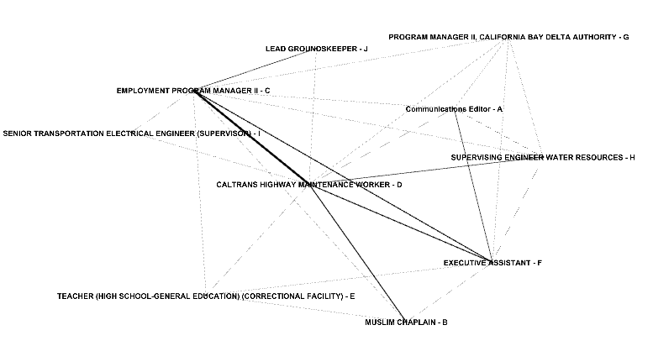
EMPLOYMENT PROGRAM MANAGER II | EXECUTIVE ASSISTANT | 3
EMPLOYMENT PROGRAM MANAGER II | SUPERVISING ENGINEER WATER RESOURCES | 1
EMPLOYMENT PROGRAM MANAGER II | TEACHER (HIGH SCHOOL-GENERAL EDUCATION) (CORRECTIONAL FACILITY) | 1
EMPLOYMENT PROGRAM MANAGER II | PROGRAM MANAGER II, CALIFORNIA BAY DELTA AUTHORITY | 1
EMPLOYMENT PROGRAM MANAGER II | SENIOR TRANSPORTATION ELECTRICAL ENGINEER (SUPERVISOR) | 1
EMPLOYMENT PROGRAM MANAGER II | LEAD GROUNDSKEEPER | 2
CALTRANS HIGHWAY MAINTENANCE WORKER | SENIOR TRANSPORTATION ELECTRICAL ENGINEER (SUPERVISOR) | 1
CALTRANS HIGHWAY MAINTENANCE WORKER | SUPERVISING ENGINEER WATER RESOURCES | 2
CALTRANS HIGHWAY MAINTENANCE WORKER | TEACHER (HIGH SCHOOL-GENERAL EDUCATION) (CORRECTIONAL FACILITY) | 1
CALTRANS HIGHWAY MAINTENANCE WORKER | EXECUTIVE ASSISTANT | 3
CALTRANS HIGHWAY MAINTENANCE WORKER | PROGRAM MANAGER II, CALIFORNIA BAY DELTA AUTHORITY | 1
CALTRANS HIGHWAY MAINTENANCE WORKER | LEAD GROUNDSKEEPER | 1
TEACHER (HIGH SCHOOL-GENERAL EDUCATION) (CORRECTIONAL FACILITY) | EXECUTIVE ASSISTANT | 1
EXECUTIVE ASSISTANT | PROGRAM MANAGER II, CALIFORNIA BAY DELTA AUTHORITY | 1
EXECUTIVE ASSISTANT | SUPERVISING ENGINEER WATER RESOURCES | 1
PROGRAM MANAGER II, CALIFORNIA BAY DELTA AUTHORITY | SUPERVISING ENGINEER WATER RESOURCES | 1

10_nodes
source | target | weight |  | A | B | C | D | E | F | G | H | I | J
A | D | 1 | A | 0 | 0 | 1 | 1 | 0 | 1 | 1 | 1 | 0 | 0
A | F | 2 | B | 0 | 0 | 1 | 1 | 1 | 1 | 0 | 0 | 0 | 0
A | H | 1 | C | 1 | 1 | 0 | 1 | 1 | 1 | 1 | 1 | 1 | 1
A | G | 1 | D | 1 | 1 | 1 | 0 | 1 | 1 | 1 | 1 | 1 | 1
A | C | 1 | E | 0 | 1 | 1 | 1 | 0 | 1 | 0 | 0 | 0 | 0
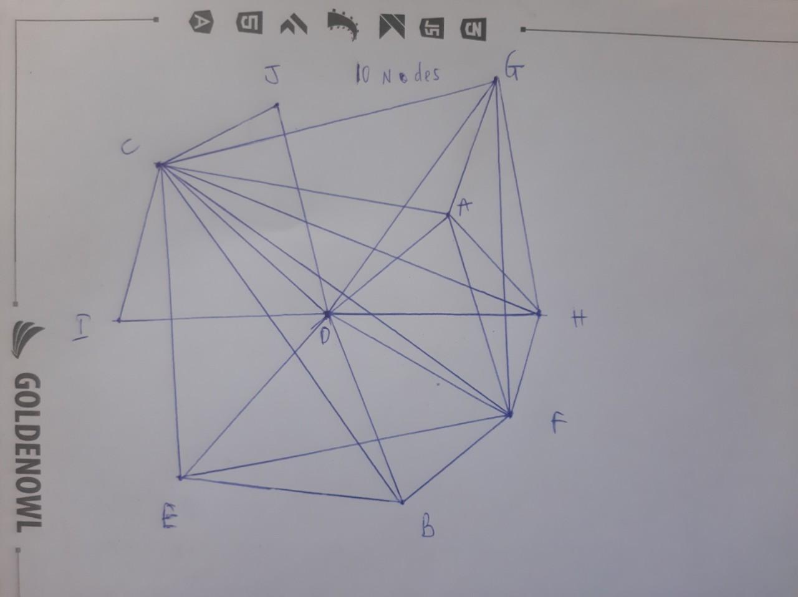
B | D | 3 | F | 1 | 1 | 1 | 1 | 1 | 0 | 1 | 1 | 0 | 0
B | F | 1 | G | 1 | 0 | 1 | 1 | 0 | 1 | 0 | 1 | 0 | 0
B | C | 1 | H | 1 | 0 | 1 | 1 | 0 | 1 | 1 | 0 | 0 | 0
B | E | 1 | I | 0 | 0 | 1 | 1 | 0 | 0 | 0 | 0 | 0 | 0
C | D | 6 | J | 0 | 0 | 1 | 1 | 0 | 0 | 0 | 0 | 0 | 0
C | F | 3
C | H | 1
C | E | 1
C | G | 1
C | I | 1
C | J | 2
D | I | 1
D | H | 2
D | E | 1
D | F | 3
D | G | 1
D | J | 1
E | F | 1
F | G | 1
F | H | 1
G | H | 1

Betweeness
Node 1 | Node 2 | Node between | Edge Between | Emax (Số cạnh tối đa) CN2 = N(N-1)/2 = 10(10-1)/2 = 45
A | B | C / D / F | (A,C) , (C,B) / (A,D) , (D,B) / (A,F) , (F,B) | Node between closeness
A | C |  | (A,C) | CB(A) = 0/45 = 0
A | D |  | (A,D) | CB(B) = 0/45 = 0
A | E | C / D / F | (A,C) , (C,E) / (A,D) , (D,E) / (A,F) , (F,E) | CB(C) = (1/3+1/3 +1/2+1/2+1/3+1/3+1/2+1/2+1/3+1/3+1/2+1/2+1/2+1/2+1/2+1/2+1/2+1/2+1/2)/45 = 12,5/45 |  | 0.27777777778
A | F |  | (A,F) | CB(D) = (1/3+1/3 +1/2+1/2+1/3+1/3+1/2+1/2+1/3+1/3+1/2+1/2+1/2+1/2+1/2+1/2+1/2+1/2+1/2)/45 = 12,5/45 |  | 0.27777777778
A | G |  | (A,G) | CB(E) = (1/3+1/3+1/3+1/3+1/3+1/3)/45 = 2/45 | 0.04
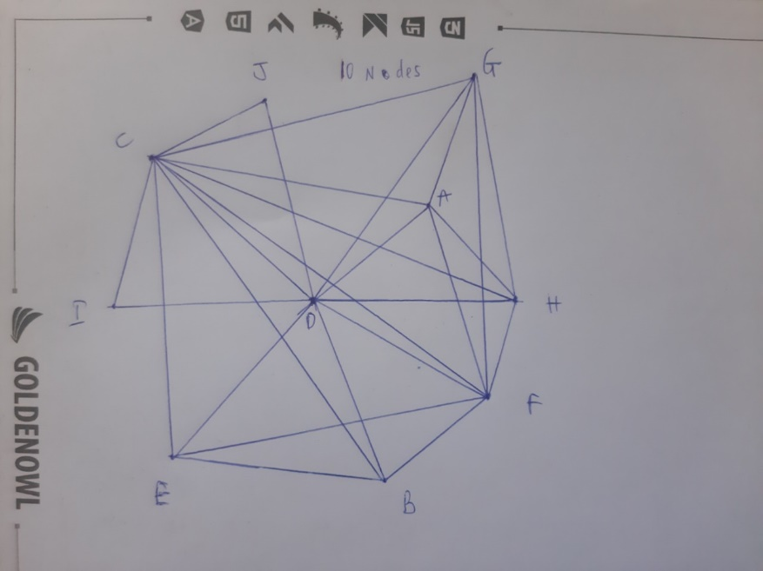
A | H |  | (A,H) | CB(F) = 0/45 = 0
A | I | C / D | (A,C) , (C,I) / (A,D) , (D,I) | CB(G) = 0/45 = 0
A | J | C / D | (A,C) , (C,J) /(A,D) , (D,J) | CB(H) = 0/45 = 0
B | C |  | (B,C) | CB(I) = 0/45= 0
B | D |  | (B,D) | CB(J) = 0/45 = 0
B | E |  | (B,E) | Edge between closeness
B | F |  | (B,F) | CB(AC) = (1/3 + 1/2 + 1/2) / 45 = 4/135
B | G | C / D / F | (B,C) , (C,G) / (B,D) , (D,G) / (B,F) , (F,G) | CB(AD) = (1/3 + 1/3 + 1/2 + 1/2 + 1/3) / 45 = 2/45
B | H | C / D / F | (B,C) , (C,H) / (B,D) , (D,H) / (B,F) , (F,H) | CB(AF) = (1/3 + 1/3) / 45 = 2/135
B | I | C / D | (B,C) , (C,I) / (B,D) , (D,I) | CB(AG) = 0/45 = 0
B | J | C / D | (B,C) , (C,J) / (B,D) , (D,J) | CB(AH) = 0/45 = 0
C | D |  | (C,D) | CB(BC) = (1/3 + 1/3 + 1/3 + 1/2 + 1/2) / 45 = 2/45
C | E |  | (C,E) | CB(BD) = (1/3 + 1/3 + 1/3 + 1/2 + 1/2) / 45 = 2/45
C | F |  | (C,F) | CB(BE) = 0/45 = 0
C | G |  | (C,G) | CB(BF) = (1/3 + 1/3 + 1/3) / 45 = 1/45
C | H |  | (C,H) | CB(CD) = 0/45 = 0
C | I |  | (C,I) | CB(CE) = (1/3 + 1/3 + 1/3 + 1/2 + 1/2) / 45 = 2/45
C | J |  | (C,J) | CB(CF) = (1/2 + 1/2) / 45 = 1/45
D | E |  | (D,E) | CB(CG) = (1/3 + 1/3 + 1/2 + 1/2) / 45 = 1/27
D | F |  | (D,F) | CB(CH) = (1/3 + 1/3 + 1/2 + 1/2) / 45 = 1/27
D | G |  | (D,G) | CB(CI) = (1/2 + 1/2 + 1/2 + 1/2 +1/2 + 1/2 + 1/2) / 45 = 7/90
D | H |  | (D,H) | CB(CJ) = (1/2 + 1/2 + 1/2 + 1/2 +1/2 + 1/2 + 1/2) / 45 = 7/90
D | I |  | (D,I) | CB(DE) = (1/3 + 1/3 + 1/3 + 1/2 + 1/2) / 45 = 2/45
D | J |  | (D,J) | CB(DF) = (1/2 + 1/2) / 45 = 1/45
E | F |  | (E,F) | CB(DG) = (1/3 + 1/3 + 1/2 + 1/2) / 45 = 1/27
E | G | C / D / F | (E,C) , (C,G) / (E,D) , (D,G) / (E,F) , (F,G) | CB(DH) = (1/3 + 1/3 + 1/2 + 1/2) / 45 = 1/27
E | H | C / D / F | (E,C) , (C,H) / (E,D) , (D,H) / (E,F) , (F,H) | CB(DI) = (1/2 + 1/2 + 1/2 + 1/2 +1/2 + 1/2 + 1/2) / 45 = 7/90
E | I | C / D | (E,C) , (C,I) / (E,D) , (D,I) | CB(DJ) = (1/2 + 1/2 + 1/2 + 1/2 +1/2 + 1/2 + 1/2) / 45 = 7/90
E | J | C / D | (E,C) , (C,J) / (E,D) , (D,J) | CB(EF) = (1/3 + 1/3 + 1/3) / 45 = 1/45
F | G |  | (F,G) | CB(FG) = (1/3 + 1/3) / 45 = 2/135
F | H |  | (F,H) | CB(FH) = (1/3 + 1/3) / 45 = 2/135
F | I | C / D | (F,C) , (C,I) / (F,D) , (D,I) | CB(GH) = 0/45 = 0
F | J | C / D | (F,C) , (C,J) / (F,D) , (D,J)
G | H |  | (G,H)
G | I | C / D | (G,C) , (C,I) / (G,D) , (D,I)
G | J | C / D | (G,C) , (C,J) / (G,D) , (D,J)
H | I | C / D | (H,C) , (C,I) / (H,D) , (D,I)
H | J | C / D | (H,C) , (C,J) / (H,D) , (D,J)
I | J | C / D | (I,C) , (C,J) / (I,D) , (D,J)

Girvan Newman
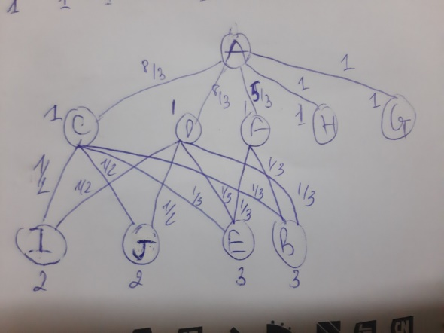
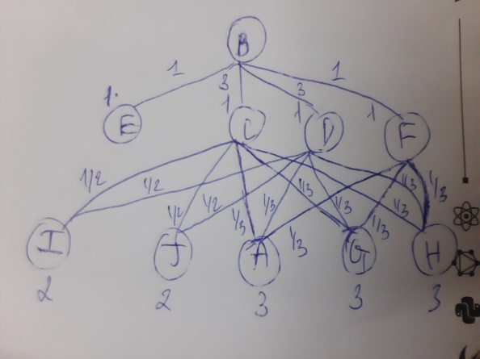
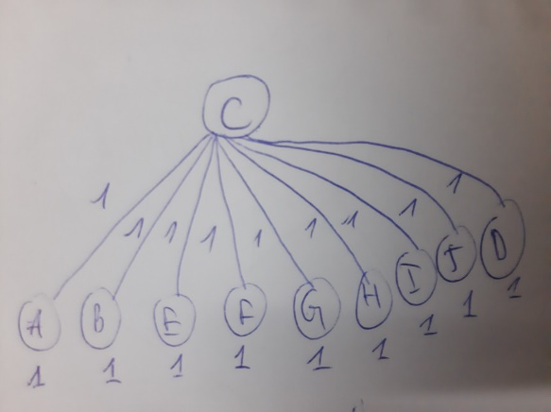
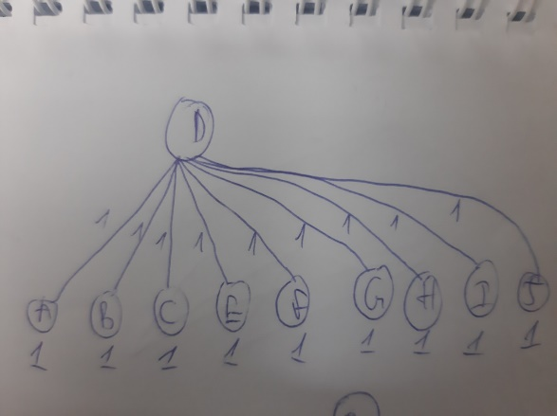
Cạnh | Root A | Root B | Root C | Root D | Root E | Root F | Root G | Root H | Root I | Root J | TỔNG
AC | 2.7 | 0.3 | 1.0 |  | 0.3 |  |  |  | 0.5 | 0.5 | 5.3 | Hình ảnh root A | Hình ảnh root B | Hình ảnh root C | Hình ảnh root D | Hình ảnh root C
AD | 2.7 | 0.3 |  | 1.0 | 0.3 |  |  |  | 0.5 | 0.5 | 5.3
AF | 1.7 | 0.3 |  |  | 0.3 | 1.0 |  |  |  |  | 3.3
AG | 1.0 |  |  |  |  |  | 1.0 |  |  |  | 2.0
AH | 1.0 |  |  |  |  |  |  | 1.0 |  |  | 2.0
BC | 0.3 | 3.0 | 1.0 |  |  |  | 0.3 | 0.3 | 0.5 | 0.5 | 6.0
BD | 0.3 | 3.0 |  | 1.0 |  |  | 0.3 | 0.3 | 0.5 | 0.5 | 6.0
BE |  | 1.0 |  |  | 1.0 |  |  |  |  |  | 2.0
BF | 0.3 | 1.0 |  |  |  | 1.0 | 0.3 | 0.3 |  |  | 3.0
CD |  |  | 1.0 | 1.0 |  |  |  |  |  |  | 2.0
CE | 0.3 |  | 1.0 |  | 3.0 |  | 0.3 | 0.3 | 0.5 | 0.5 | 6.0
CF |  |  | 1.0 |  |  | 2.0 |  |  | 0.5 | 0.5 | 4.0
CG |  | 0.3 | 1.0 |  | 0.3 |  | 2.7 |  | 0.5 | 0.5 | 5.3 | Hình ảnh root E | Hình ảnh root F | Hình ảnh root G
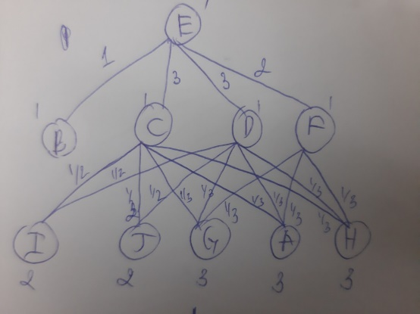
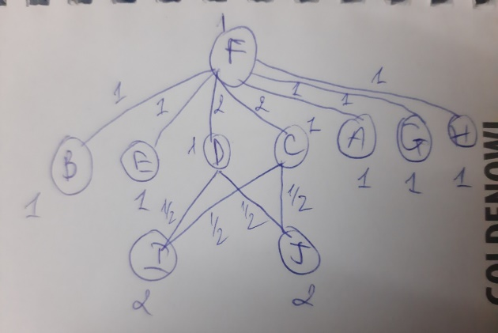
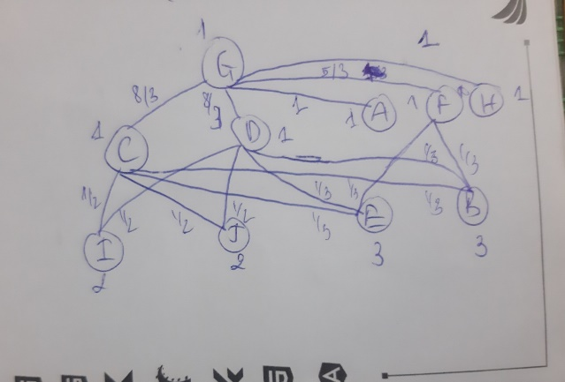
CH |  | 0.3 | 1.0 |  | 0.3 |  |  |  | 0.5 | 0.5 | 2.7
CI | 0.5 | 0.5 | 1.0 |  | 0.5 | 0.5 | 0.5 | 0.5 | 4.5 | 4.5 | 13.0
CJ | 0.5 | 0.5 | 1.0 |  | 0.5 | 0.5 | 0.5 | 0.5 | 0.5 | 0.5 | 5.0
DE | 0.3 |  |  | 1.0 | 3.0 |  | 0.3 | 0.3 | 0.5 | 0.5 | 6.0
DF |  |  |  | 1.0 |  | 2.0 |  |  | 0.5 | 0.5 | 4.0
DG |  | 0.3 |  | 1.0 | 0.3 |  | 2.7 |  | 0.5 | 0.5 | 5.3
DH |  | 0.3 |  | 1.0 | 0.3 |  |  |  | 0.5 | 0.5 | 2.7
DI | 0.5 | 0.5 |  | 1.0 | 0.5 | 0.5 | 0.5 | 0.5 | 4.5 | 4.5 | 13.0
DJ | 0.5 | 0.5 |  | 1.0 | 0.5 | 0.5 | 0.5 | 0.5 | 0.5 | 0.5 | 5.0
EF | 0.3 |  |  |  | 1.0 | 1.0 | 0.3 | 0.3 |  |  | 3.0
FG |  | 0.3 |  |  | 0.3 | 1.0 | 1.7 |  |  |  |  | Hình ảnh root H | Hình ảnh root I | Hình ảnh root J
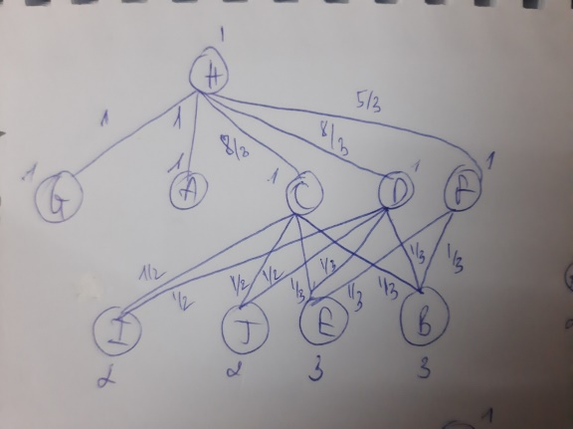
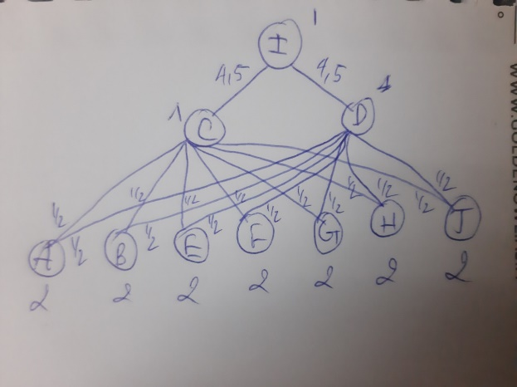
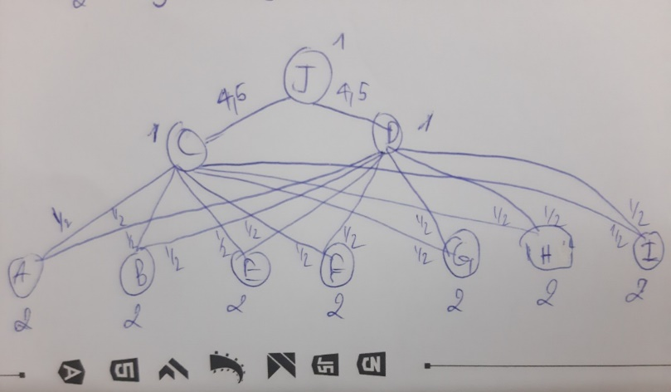
FH |  | 0.3 |  |  | 0.3 | 1.0 |  | 1.7
GH |  |  |  |  |  |  | 1.0 | 1.0
 | CẠNH CI, DI LỚN NHẤT NÊN TIẾN HÀNH CẮT CẠNH CI, DI => CHIA BIỂU ĐỒ THÀNH 2 CỤM

